Dates
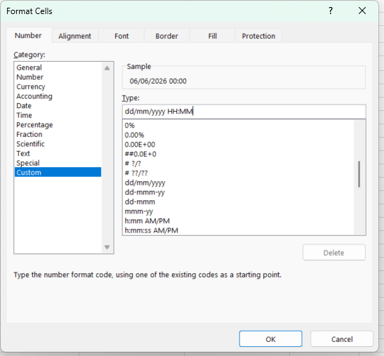
Output >>> | 2024-06-06 | 2024 | 6 | 6 | 2028-11-16 | 5/25/26 | 6:30:00 | 6/6/26 | 06/06/2024
 |  |  |  |  |  | 2026-05-25
 |  |  |  |  |  |  |  | type in any date
Instruction>>> | Type in any date in B3 | year of B3 | Month of B3 | Day of B3 | Increasing, year, month, days | 1) NOW date and time | Time | right click cell > Fomat Cells | Customise data and time with AM/PM
 |  |  |  |  |  | 2) Today date only |  | Customise
 |  |  |  |  |  |  |  | add HH:MM on end of suggestion | A formula using B3

